Bridge
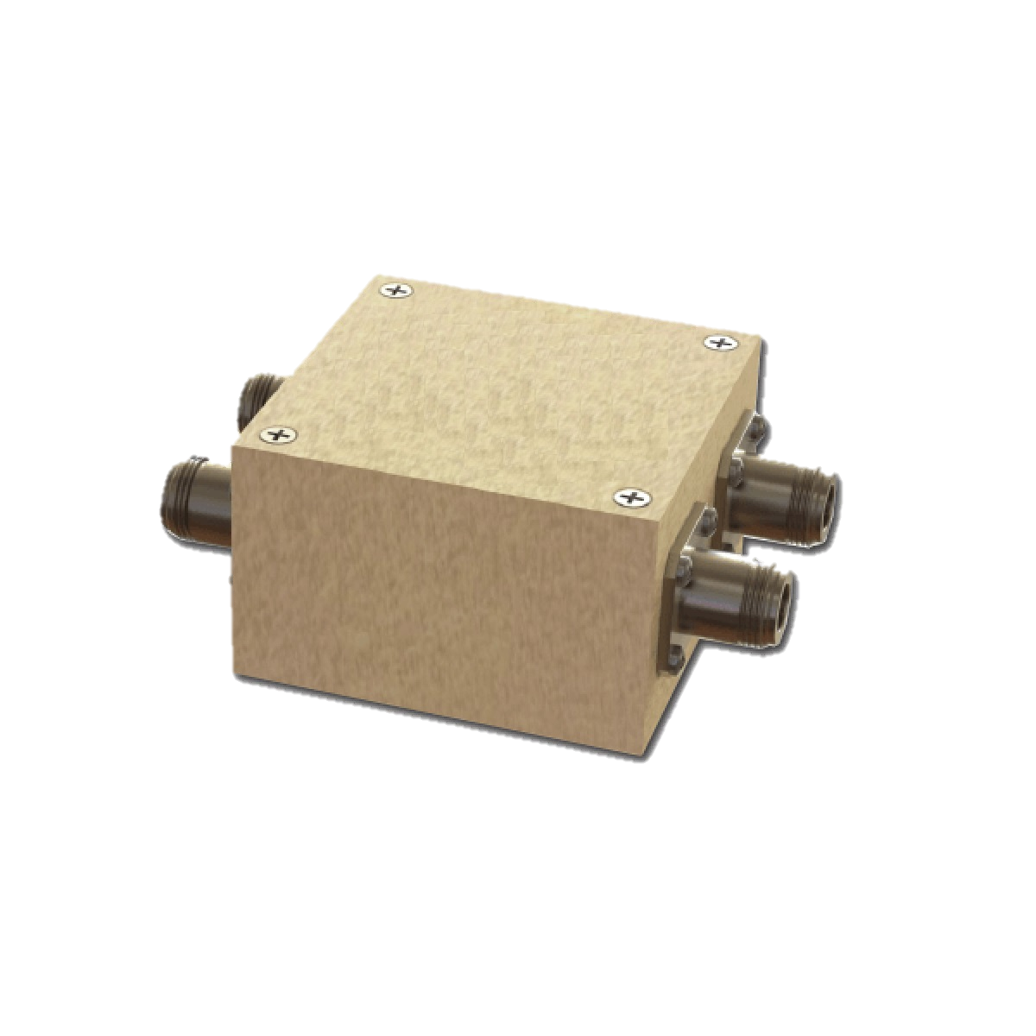
Bridges include 90° bridges and 180° bridges. They are mainly used in frequency synthesizing,antenna feedback networking, frequency mixing and modulating, etc.

Part No. | Min Fre（MHz） | Max Fre（MHz） | Phase Difference | Isolation(dB) | Insertion Loss(dB) | Phase Unbalance | Amplitude Unbalance | Power Capacity | Original Brand | Original Part
CEDQ30001 | 150 | 250 | 90° Hybrid | 24 | 0.2 | 4 | 1.4 | 1 | Mini-Circuits | ADPQ-2-250+
CEDQ30002 | 95 | 200 | 90° Hybrid | 28 | 0.3 | 6 | 1.6 | 0.5 | Mini-Circuits | ADQ-22+
CEDQ30003 | 160 | 327 | 90° Hybrid | 22 | 0.3 | 5 | 1.6 | 0.5 | Mini-Circuits | ADQ-32+
CEDQ30004 | 104 | 340 | 90° Hybrid | 20 | 0.6 | 8 | 1.8 | 0.5 | Mini-Circuits | ADQ-32W+
CEDQ30005 | 55 | 90 | 90° Hybrid | 26 | 0.2 | 4 | 1.2 | 0.5 | Mini-Circuits | ADQ-90+
CEDQ30006 | 120 | 180 | 90° Hybrid | 35 | 0.2 | 6 | 1.5 | 0.5 | Mini-Circuits | ADQ-180+
CEDQ30007 | 50 | 200 | 0°/180° Hybrid | 35 | 0.8 | 2 | 0.3 | 0.5 | Mini-Circuits | AMT-2+
CEDQ30008 | 5 | 65 | 90° Hybrid | 33 | 0.7 | 5 | 0.7 | 1 | Mini-Circuits | JSPQ-65W+
CEDQ30009 | 10 | 80 | 90° Hybrid | 44 | 0.45 | 6 | 0.6 | 1 | Mini-Circuits | JSPQ-80
CEDQ30010 | 10 | 80 | 90° Hybrid | 44 | 0.45 | 6 | 0.6 | 1 | Mini-Circuits | JSPQ-80+
CEDQ30011 | 150 | 350 | 90° Hybrid | 20 | 0.5 | 5 | 1.5 | 1 | Mini-Circuits | JSPQ-350
CEDQ30012 | 150 | 350 | 90° Hybrid | 20 | 0.5 | 5 | 1.5 | 1 | Mini-Circuits | JSPQ-350+
CEDQ30013 | 40 | 100 | 90° Hybrid | 24 | 0.2 | 3 | 1.2 | 1 | Mini-Circuits | JSPQW-100
CEDQ30014 | 40 | 100 | 90° Hybrid | 24 | 0.2 | 3 | 1.2 | 1 | Mini-Circuits | JSPQW-100+
CEDQ30015 | 30 | 100 | 90° Hybrid | 41 | 0.5 | 4 | 0.6 | 1 | Mini-Circuits | JSPQW-100A+
CEDQ30016 | 10 | 16 | 90° Hybrid | 43 | 0.2 | 4 | 0.9 | 1 | Mini-Circuits | JYPQ-16
CEDQ30017 | 16 | 30 | 90° Hybrid | 28 | 0.2 | 3 | 1.5 | 1 | Mini-Circuits | JYPQ-30+
CEDQ30018 | 105 | 160 | 90° Hybrid | 24 | 0.25 | 3 | 1.5 | 1 | Mini-Circuits | JYPQ-160
CEDQ30019 | 105 | 160 | 90° Hybrid | 24 | 0.25 | 3 | 1.5 | 1 | Mini-Circuits | JYPQ-160+
CEDQ30020 | 65 | 75 | 90° Hybrid | 30 | 0.1 | 3 | 1 | 1 | Mini-Circuits | LRPQ-70
CEDQ30021 | 65 | 75 | 90° Hybrid | 30 | 0.1 | 3 | 1 | 1 | Mini-Circuits | LRPQ-70J
CEDQ30022 | 270 | 320 | 90° Hybrid | 21 | 0.3 | 3 | 1.2 | 1 | Mini-Circuits | LRPQ-320J
CEDQ30023 | 500 | 700 | 90° Hybrid | 23 | 0.2 | 3 | 1.8 | 1 | Mini-Circuits | LRPQ-700
CEDQ30024 | 500 | 700 | 90° Hybrid | 23 | 0.2 | 3 | 1.8 | 1 | Mini-Circuits | LRPQ-700J+
CEDQ30025 | 5 | 200 | 0°/180° Hybrid | 24 | 0.9 | 6 | 0.2 |  | Mini-Circuits | PMT-1+
CEDQ30026 | 30 | 90 | 90° Hybrid | 27 | 0.3 | 3 | 1 |  | Mini-Circuits | PQW-2-90+
CEDQ30027 | 90 | 270 | 90° Hybrid | 20 | 0.4 | 4 | 1.4 |  | Mini-Circuits | PQW-2-270+
CEDQ30028 | 1 | 200 | 180° Hybrid | 35 | 0.5 | 2.5 | 0.15 |  | Mini-Circuits | PSCJ-2-1+
CEDQ30029 | 100 | 600 | 180° Hybrid | 30 | 1 | 6 | 0.5 |  | Mini-Circuits | PSCJ-2-1W
CEDQ30030 | 3.5 | 4.5 | 90° Hybrid | 36 | 0.4 | 3 | 1.5 |  | Mini-Circuits | PSCQ-2-4+
CEDQ30031 | 2 | 8 | 90° Hybrid | 36 | 0.3 | 6 | 0.5 |  | Mini-Circuits | PSCQ-2-8+
CEDQ30032 | 12 | 14 | 90° Hybrid | 29 | 0.4 | 3 | 1.2 |  | Mini-Circuits | PSCQ-2-13+
CEDQ30033 | 12 | 16 | 90° Hybrid | 30 | 0.3 | 3 | 1.8 |  | Mini-Circuits | PSCQ-2-14+
CEDQ30034 | 20 | 23 | 90° Hybrid | 30 | 0.4 | 3 | 1.2 |  | Mini-Circuits | PSCQ-2-21.4+
CEDQ30035 | 14 | 30 | 90° Hybrid | 25 | 0.4 | 3 | 1.5 |  | Mini-Circuits | PSCQ-2-26
CEDQ30036 | 14 | 30 | 90° Hybrid | 25 | 0.4 | 3 | 1.5 |  | Mini-Circuits | PSCQ-2-26+
CEDQ30037 | 23 | 40 | 90° Hybrid | 21 | 0.3 | 3 | 1.5 |  | Mini-Circuits | PSCQ-2-40
CEDQ30038 | 23 | 40 | 90° Hybrid | 21 | 0.3 | 3 | 1.5 |  | Mini-Circuits | PSCQ-2-40+
CEDQ30039 | 25 | 50 | 90° Hybrid | 30 | 0.3 | 3 | 1.5 |  | Mini-Circuits | PSCQ-2-50+
CEDQ30040 | 5 | 50 | 90° Hybrid | 41 | 0.5 | 5 | 0.5 |  | Mini-Circuits | PSCQ-2-51W+
CEDQ30041 | 40 | 70 | 90° Hybrid | 30 | 0.3 | 3 | 1.5 |  | Mini-Circuits | PSCQ-2-70+
CEDQ30042 | 66 | 74 | 90° Hybrid | 22 | 0.2 | 0.8 | 0.25 |  | Mini-Circuits | PSCQ-2-70N+
CEDQ30043 | 55 | 90 | 90° Hybrid | 30 | 0.3 | 3 | 1.2 |  | Mini-Circuits | PSCQ-2-90+
CEDQ30044 | 80 | 120 | 90° Hybrid | 25 | 0.3 | 3 | 1.5 |  | Mini-Circuits | PSCQ-2-120+
CEDQ30045 | 100 | 160 | 90° Hybrid | 24 | 0.3 | 3 | 1.5 |  | Mini-Circuits | PSCQ-2-160
CEDQ30046 | 120 | 180 | 90° Hybrid | 23 | 0.3 | 4 | 1.2 |  | Mini-Circuits | PSCQ-2-180+
CEDQ30047 | 150 | 250 | 90° Hybrid | 30 | 0.4 | 4 | 1.5 |  | Mini-Circuits | PSCQ-2-250+
CEDQ30048 | 250 | 400 | 90° Hybrid | 23 | 0.5 | 4 | 1.5 |  | Mini-Circuits | PSCQ-2-400+
CEDQ30049 | 350 | 450 | 90° Hybrid | 23 | 0.5 | 5 | 1.5 |  | Mini-Circuits | PSCQ-2-450+
CEDQ30050 | 2000 | 6000 | 90° Hybrid | 26 | 0.2 | 5 | 1.4 | 200 | Mini-Circuits | QCH-63
CEDQ30051 | 800 | 6000 | 90° Hybrid | 20 | 0.5 | - | 2.6 | 70 | Mini-Circuits | QCH-63B+
CEDQ30052 | 4000 | 8000 | 90° Hybrid | 23 | 0.15 | - | 1.3 | 75 | Mini-Circuits | QCH-83
CEDQ30053 | 8000 | 12000 | 90° Hybrid | 23 | 0.25 | - | 1 | 50 | Mini-Circuits | QCH-123+
CEDQ30054 | 700 | 2700 | 90° Hybrid | 22 | 0.3 | 5 | 1 | 200 | Mini-Circuits | QCH-272+
CEDQ30055 | 800 | 3800 | 90° Hybrid | 28 | 0.25 | 7.5 | 1.3 | 150 | Mini-Circuits | QCH-382+
CEDQ30056 | 225 | 450 | 90° Hybrid | 27 | 0.2 | 5 | 0.5 | 250 | Mini-Circuits | QCH-451
CEDQ30057 | 600 | 3900 | 90° Hybrid | 14 | 0.8 | 12 | 2.8 | 90 | Mini-Circuits | QCH-392+
CEDQ30058 | 1000 | 6500 | 90° Hybrid | 19 | 0.6 | - | 1.8 | 60 | Mini-Circuits | QCH-652+
CEDQ30059 | 760 | 860 | 90° Hybrid | 22 | 0.15 | 4 | 1 | 1 | Mini-Circuits | RPQ-820
CEDQ30060 | 1 | 750 | 180° Hybrid | 22 | 0.6 | 7 | 0.4 | 0.5 | Mini-Circuits | SBTCJ-1W+
CEDQ30061 | 1 | 750 | 180° Hybrid | 22 | 0.6 | 7 | 0.4 | 0.5 | Mini-Circuits | SBTCJ-1WX+
CEDQ30062 | 5 | 1000 | 180° Hybrid | 26 | 1.5 | 2.8 | 0.8 | 1 | Mini-Circuits | SBTCJ-13-75+
CEDQ30063 | 5 | 1250 | 180° Hybrid | 26 | 1.5 | 2.7 | 0.3 | 1 | Mini-Circuits | SBTCJ-122-75X+
CEDQ30064 | 200 | 900 | 180° Hybrid | 24 | 1 | 6 | 0.7 | 1 | Mini-Circuits | SCPJ-2-9+
CEDQ30065 | 9 | 11 | 90° Hybrid | 31 | 0.15 | 3 | 1.2 | 1 | Mini-Circuits | SCPQ-10.5+
CEDQ30066 | 20 | 23 | 90° Hybrid | 32 | 0.15 | 2.5 | 1 | 1 | Mini-Circuits | SCPQ-21.4+
CEDQ30067 | 25 | 50 | 90° Hybrid | 25 | 0.15 | 3 | 1.5 | 1 | Mini-Circuits | SCPQ-50+
CEDQ30068 | 30 | 60 | 90° Hybrid | 30 | 0.15 | 3 | 1.5 | 1 | Mini-Circuits | SCPQ-60+
CEDQ30069 | 55 | 85 | 90° Hybrid | 30 | 0.3 | 3 | 0.6 | 1 | Mini-Circuits | SCPQ-85C+
CEDQ30070 | 55 | 90 | 90° Hybrid | 26 | 0.2 | 3 | 1.2 | 1 | Mini-Circuits | SCPQ-90+
CEDQ30071 | 95 | 150 | 90° Hybrid | 22 | 0.3 | 3 | 1.2 | 1 | Mini-Circuits | SCPQ-150+
CEDQ30072 | 120 | 180 | 90° Hybrid | 20 | 0.3 | 3 | 1.2 | 1 | Mini-Circuits | SCPQ-180+
CEDQ30073 | 250 | 400 | 90° Hybrid | 20 | 0.3 | 3 | 1.2 | 1 | Mini-Circuits | SCPQ-400+
CEDQ30074 | 1150 | 1650 | Quadrifilar | 22 | 1.5 | 3 | 0.4 | 1 | Mini-Circuits | SCQ-4-1650+
CEDQ30075 | 600 | 1000 | Quadrifilar | 20 | 1.5 | 5 | 0.8 | 1 | Mini-Circuits | SCQA-4-13+
CEDQ30076 | 1200 | 1600 | Quadrifilar | 22 | 1.5 | 3 | 0.6 | 1 | Mini-Circuits | SCQA-4-162+
CEDQ30077 | 1700 | 2300 | Quadrifilar | 24 | 1.6 | 5 | 1.3 | 1 | Mini-Circuits | SCQA-4-232+
CEDQ30078 | 5 | 1218 | 0°/180° Hybrid | 20 | 3.2 | 7 | 0.6 | 0.5 | Mini-Circuits | SYMT-122-75+
...

Power splitter & Combiner
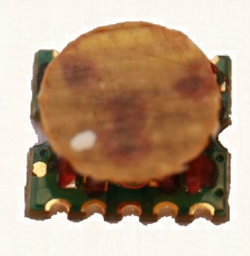 |  |  |  |  | 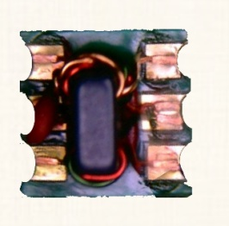 |  | 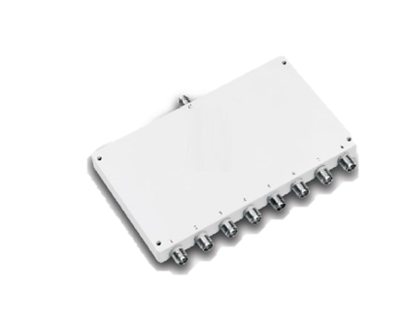
Part No. | Min Fre（MHz） | Max Fre（MHz） | Number of Ports | Isolation(dB) | Insertion Loss(dB) | Phase Unbalance | Amplitude Unbalance | Power Capacity | Original Brand | Origin Part
CEGF10001 | 1 | 300 | 3 | 35 | 0.4 | 4 | 0.3 | 0.5 | Mini-Circuits | AD3PS-1+
CEGF10002 | 1 | 500 | 4 | 30 | 0.5 | 5 | 0.5 | 0.5 | Mini-Circuits | AD4PS-1+
CEGF10003 | 1 | 400 | 5 | 25 | 0.3 | 6 | 0.4 | 0.5 | Mini-Circuits | AD5PS-1+
CEGF10004 | 2 | 250 | 6 | 30 | 0.2 | 6 | 0.4 | 0.5 | Mini-Circuits | AD6PS-1+
CEGF10005 | 0.5 | 400 | 2 | 25 | 0.3 | 2 | 0.2 | 0.5 | Mini-Circuits | ADP-2-1+
CEGF10007 | 1 | 650 | 2 | 30 | 0.25 | 2 | 0.2 | 2 | Mini-Circuits | ADP-2-1W+
CEGF10009 | 10 | 1000 | 2 | 23 | 0.4 | 3 | 0.2 | 1 | Mini-Circuits | ADP-2-4+
CEGF10012 | 5 | 1000 | 2 | 23 | 0.4 | 2 | 0.2 | 0.5 | Mini-Circuits | ADP-2-10+
CEGF10013 | 50 | 1000 | 2 | 24 | 0.7 | 2 | 0.2 | 0.5 | Mini-Circuits | ADP-2-10-75
...

